NCTS-NU9220
NEW COMPUTER TECHNOLOGY SYSTEMS (NCTS) LIMITED COMPANY
新计算机科技系统（NCTS）有限公司
深圳市龙岗区布吉诚信华庭2栋6B
www.ncts.co
Line Interactive UPS 2000VA
Picture | 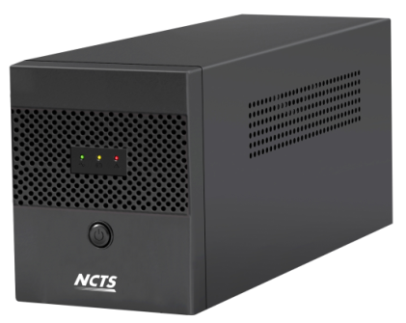
Detailed description and technical specifications
Item No | NCTS-NU9220
Capacity | 2000VA/1200W
Materials | Metal
INPUT
Voltage | 220/230/240 VAC
Voltage Range | 140-300 VAC
Frequency Range | 60/50 Hz (Auto sensing)
OUTPUT Voltage | 220/230/240 VAC
AC Voltage Ragulation (Bat Mode) | ±10%
Frequency Range (Bat Mode) | 60Hz or 50Hz ± 1Hz
Transfer time | Typical 2-6ms
Waveform (Bat Mode) | Simulated Sinewave
Power factor | 0.8
Battery
Battery Type&Number | 12V 9Ah*2
Floating Charging Voltage | 27.4VDC
Charging ability | 4-6 hours recover to 90% capacity
Protection
Full protection | Overload,discharge,and overcharger protection
offline charging | YES
Cold start | YES
Led Indications
Line mode | Green Lighting
Battery mode | Red lighting
Charging | Yellow lighting
Fault | Red lighting
Sound Alarm
Battery mode | Sounding every 4 seconds
Low battery | Sounding every 1 second
Fault | keep sounding
Dimension,D*W*H(mm) | 380x123x193
Net Weight (kgs) | 11.05
Environment
Humidity | 0-90% Relative Humidity 0-40 ℃ (Non-condending)
Noisy Level | Less than 40dB
Remarks
Weight per box | 12.4
box size | 460*225*300mm
Qt'y per marster carton | 2pcs
Marster Carton Size | 470x470x325
NW/kgs | 22.1
GW/kgs | 23.1
Containner qunatity
1x20' |  | 1x40'
1060 |  | 2600

