NCTS-NU7215
NEW COMPUTER TECHNOLOGY SYSTEMS (NCTS) LIMITED COMPANY
新计算机科技系统（NCTS）有限公司
深圳市龙岗区布吉诚信华庭2栋6B
www.ncts.co
Line Interactive UPS 1500VA
Picture | 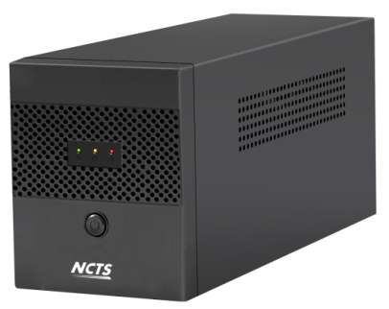
Detailed description and technical specifications
Item No | NCTS-UPS7215
Capacity | 1500VA / 900W
Materials | Metal
INPUT
Voltage | 110/120 VAC or 220/230/240 VAC
Voltage Range | 86-230 VAC or 140-300 VAC
Frequency Range | 60/50 Hz (Auto sensing)
OUTPUT Voltage | 110/120 VAC or 220/230/240 VAC
AC Voltage Ragulation (Bat Mode) | ±10%
Frequency Range (Bat Mode) | 60Hz or 50Hz ± 1Hz
Transfer time | Typical 2-6ms
Waveform (Bat Mode) | Simulated Sinewave
Power factor | 0.6
Battery
Battery Type&Number | 12V 7ah*2
Floating Charging Voltage | 27.4VDC
Charging ability | 4-6 hours recover to 90% capacity
Protection
Full protection | Overload,discharge,and overcharger protection, short circuit protection
Cold start | YES
Offline charging | Yes
LCD Display | AC input and AC output voltage , Frequency , Battery level , load level ,fault
Sound Alarm
Battery mode | Sounding every 4 seconds
Low battery | Sounding every 1 second
Fault | keep sounding
Output sockets | EU, UK,France,Gernany,US depends on customers
Plug | EU, UK,France,Gernany,US depends on customers
Dimension,D*W*H(mm) | 380x123x193
Net Weight (kgs) | 9.35
Environment
Humidity | 0-90% Relative Humidity 0-40 ℃ (Non-condending)
Noisy Level | Less than 40dB
Remarks
Weight per box | 10.36
box size | 460*225*300mm
Qt'y per marster carton | 2pcs
Marster Carton Size | 470x470x325
NW/kgs | 18.7
GW/kgs | 19.7
Containner qunatity
1x20' |  | 1x40'
1060 |  | 2600

