NCTS-NU7110
NEW COMPUTER TECHNOLOGY SYSTEMS (NCTS) LIMITED COMPANY
新计算机科技系统（NCTS）有限公司
深圳市龙岗区布吉诚信华庭2栋6B
www.ncts.co
Line Interactive UPS
Picture | 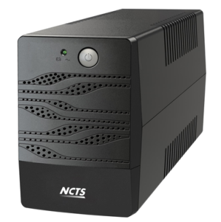
Detailed description and technical specifications
Item No | NCTS-UPS7215
Capacity | 1000VA/600W
Materials | Plastic
INPUT
Voltage | 110/120 VAC or 220/230/240 VAC
Voltage Range | 86-145 VAC or 140-300 VAC
Frequency Range | 60/50 Hz (Auto sensing)
OUTPUT Voltage | 110/120 VAC or 220/230/240 VAC
AC Voltage Ragulation (Bat Mode) | ±10%
Frequency Range (Bat Mode) | 60Hz or 50Hz ± 1Hz
Transfer time | Typical 2-6ms
Waveform (Bat Mode) | Simulated Sinewave
Power factor | 0.6
Battery
Battery Type&Number | 12V 7Ah*1
Floating Charging Voltage | 13.7VDC
Charging ability | 4-6 hours recover to 90% capacity
Protection
Full protection | Overload,discharge,and overcharger protection ,short cercuit
Cold start | YES
Offline Charging | YES
Led Indications
Line mode | Green lighting
Battery mode | Flashing every 4 seconds
Charging
Fault | Green lighting
Sound Alarm
Battery mode | Sound every 4 seconds
Low battery | Sound every 1 second
Fault | keep sounding
Dimension,D*W*H(mm) | 280x100x140
Net Weight (kgs) | 3.9
Environment
Humidity | 0-90% Relative Humidity 0-40 ℃ (Non-condending)
Noisy Level | Less than 40dB
Remarks
Weight per box | 4.22KG
box size | 325*140*220mm
Qt'y per marster carton | 4 pcs
Marster Carton Size | 335*300*460
NW/kgs | 15.6
GW/kgs | 16.3
Containner qunatity
1X20' |  | 1X40'
2300pcs |  | 5860pcs

